1. Title Page
[Project Name]

Project Name: Instacart Grocery Basket Analysis
Date: 8/30/2023
Analyst Name: Sam Vaillancourt

Contents:
Population Flow
Consistency checks
Wrangling steps
Column derivations
Visualizations
Recommendations

2. Population Flow
Title page

Population flow

Exclusion flag
Condition: max_order <
Obervations to be removed:
Final total count of order_products_all:

Orders_products_combined
Orders_products_merged
Orders_products_all

Total: 32,434,489
Total:
32,434,489
Total: 32,434,489

1.) The grey boxes in the first row of the population flow represent the original data sets as they were when you downloaded them. In the Total fields you need to add the count of the rows when you imported the data set into Jupyter.
2.) The second row of boxes (coloured) represents the data sets after you manipulated them, e.g., removed missing values and duplicates. In the Total fields you need to add the count of the rows after conducting these operations. This offers a visual oveview of how the data flows throughout the data consistency checks.
3.) The third row, where also the arrows are coloured, represents the merges you performed between the datasets. In the Total fields you need to add the count of the rows in the merged datasets, so that you end up with the final dataset (in the red box). Keep in mind the final dataset should be without exclusions (based on the exclusion flag).

3. Consistency checks
 |  |  |  | Title page
Consistency checks

Dataset | Missing values | Missing values treatment | Duplicates
orders | 1st orders under days since prior order column | Nothing as the value is days since previous order but the first order wouldn't have any values | None
products | There were a few missing product names | Removed | Removed
orders_products_prior
customers | 11,259 first names missing | No treatment needed, though the first name was missing. The data still had the user id to allow us to continue to use the data | None

4. Wrangling steps
 |  |  |  | Title page
Wrangling steps

Columns dropped | Columns renamed | Columns' type changed | Comment/Reason
Eval Set |  |  | Dropped due to not being useful
 | Orders day of week |  | Changed from order dow
 |  | order id | changed to string
 |  | user id | changed to string

5. Column derivations
 |  |  |  | Title page

Column derivations and aggregations

In this tab you should add tables below that the frequences of flags/label variables that you produced after deriving them. NB: don't do this for continuous variables, only for flags.
Dataset | New column | Column/s it was derived from | Conditions
orders products merged updated | Busiest day | Orders day of week
 | busiest days | Orders day of week
 | price label | Prices
 | busiest period of day | Orders hour of day
order product all | price range | Prices | If less than $5, low range. If between $5 and $20, Mid-range. If $20+, High range
 | loyalty flag | max orders | If less than 10 orders, new customer. If between 10 and 40 orders, regular customer. If 40+, loyal customer
 | region | State | South, West, Midwest, Northeast
 | Age Group | Age | Broken into 10 year groups
 | Family Type | Marital Status | Married or single and with or without dependants
 | Income Group | Income | Broken into Low, Middle, Upper, and High wealth from the US Census

6. Visualizations
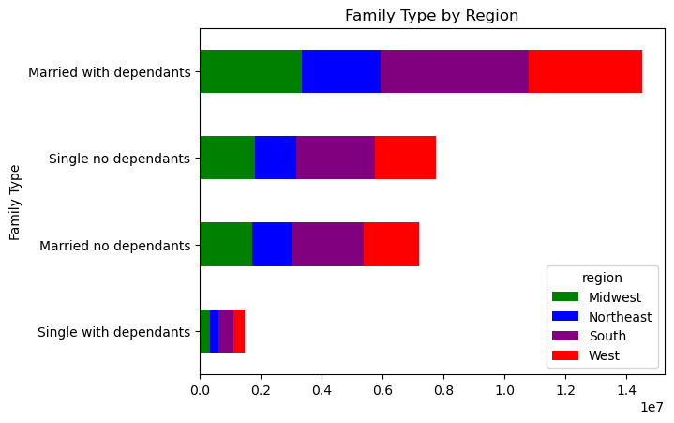
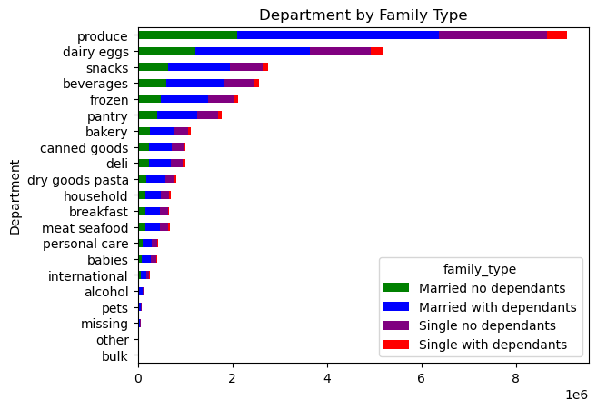
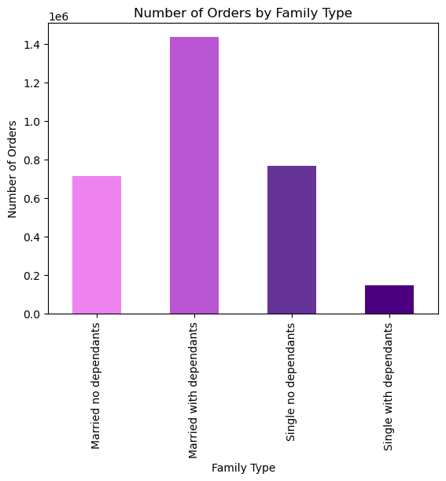
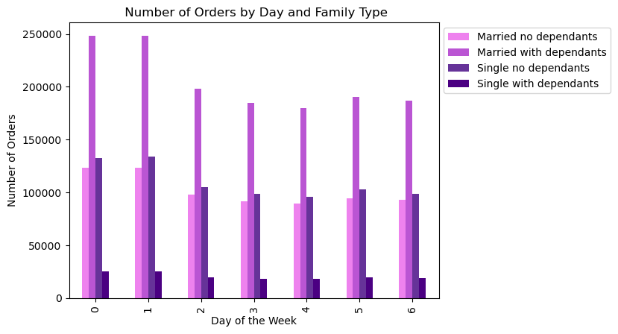
 | Title page

Visualisations

1. The sales team needs to know what the busiest days of the week and hours of the day are in order to schedule ads at times when there are fewer orders. 2. They want to know whether there are particular times of the day when people spend the most money, as this might inform the type of products they advertise at these times.
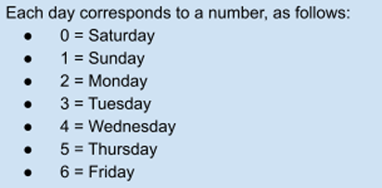


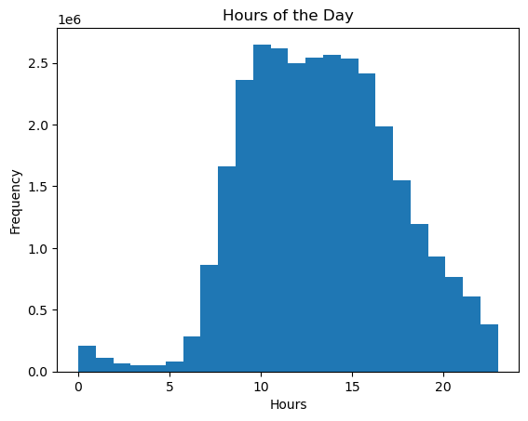

 |  | Days of the week |  | Hours of the day
 |  | Most orders | Most expenditure | Most orders | Most expenditure
 |  | Saturday | Saturday | 12am | 12am
 |  | Sunday | Sunday | 1 | 1
 |  | Monday | Monday | 2 | 2
 |  | Tuesday | Tuesday | 3 | 3
 |  | Wednesday | Wednesday | 4 | 4
 |  | Thursday | Thursday | 5 | 5
 |  | Friday | Friday | 6 | 6
 |  |  |  | 7 | 7
 |  |  |  | 8 | 8
 |  |  |  | 9 | 9
 |  |  |  | 10 | 10
 |  |  |  | 11 | 11
 |  |  |  | 12pm | 12pm
 |  |  |  | 1 | 1
 |  |  |  | 2 | 2
 |  |  |  | 3 | 3
 |  |  |  | 4 | 4
 |  |  |  | 5 | 5
 |  |  |  | 6 | 6
 |  |  |  | 7 | 7
 |  |  |  | 8 | 8
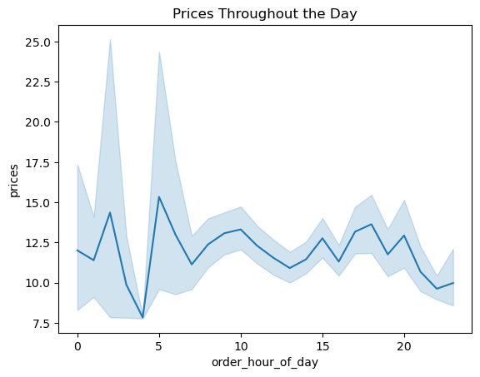
 |  |  |  | 9 | 9
 |  |  |  | 10 | 10
 |  |  |  | 11 | 11

3. Instacart has a lot of products with different price tags. Marketing and sales want to use simpler price range groupings to help direct their efforts.

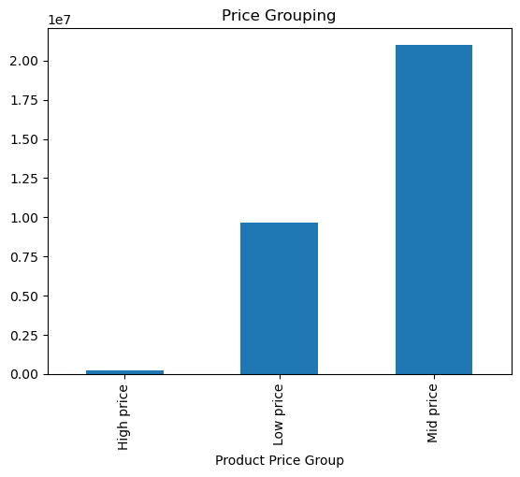
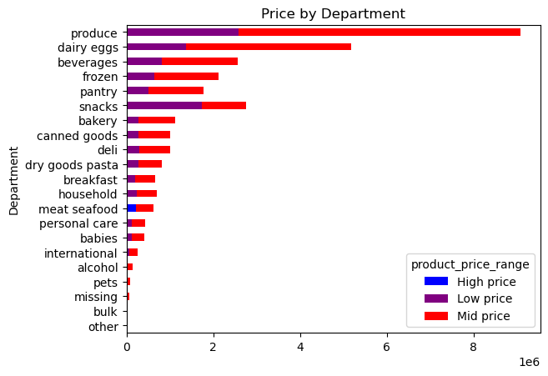
 |  | Region | High spender | High % | Low spender | Low %
 |  | Midwest | 155975 | 2.05% | 7441350 | 97.95%
 |  | Northeast | 108225 | 1.89% | 5614511 | 98.11%
 |  | South | 209691 | 1.94% | 10582194 | 98.06%
 |  | West | 160354 | 1.93% | 8132559 | 98.07%
Regional Spending

4. Are there certain types of products that are more popular than others? The marketing and sales teams want to know which departments have the highest frequency of product orders.

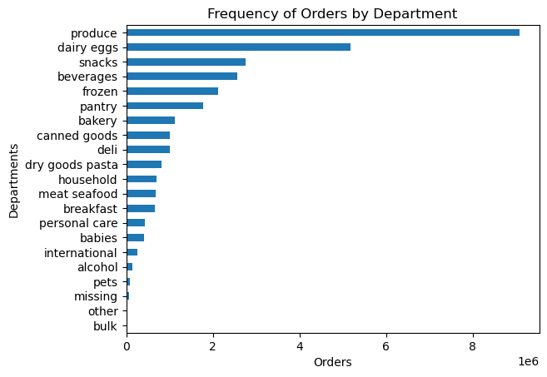

5. What’s the distribution among users in regards to their brand loyalty (i.e., how often do they return to Instacart)?

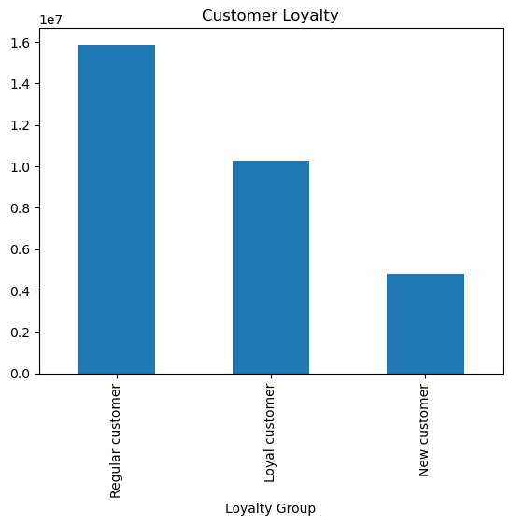
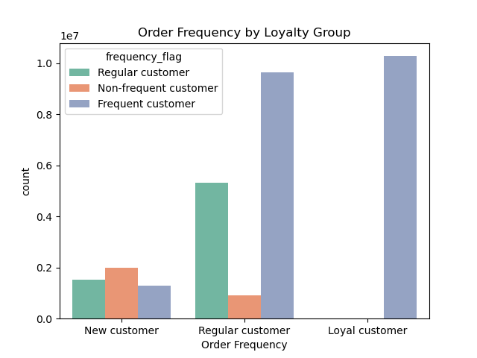

6. Are there differences in ordering habits based on a customer’s loyalty status?

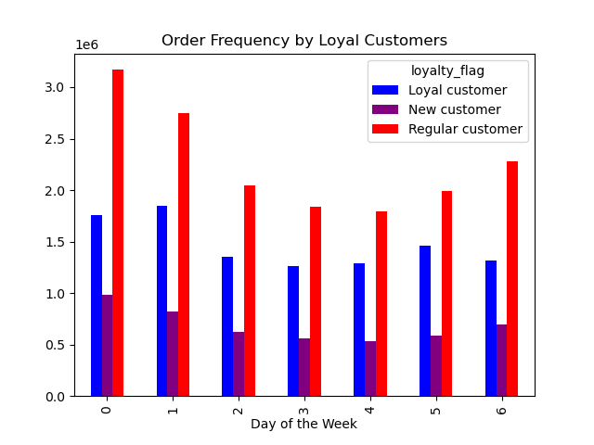
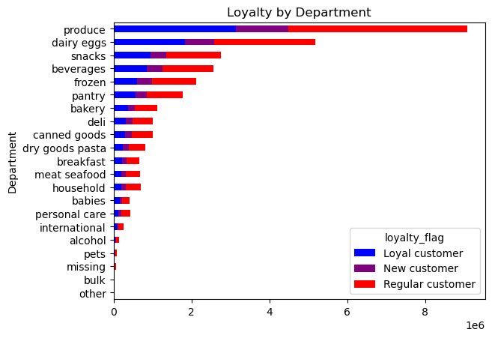
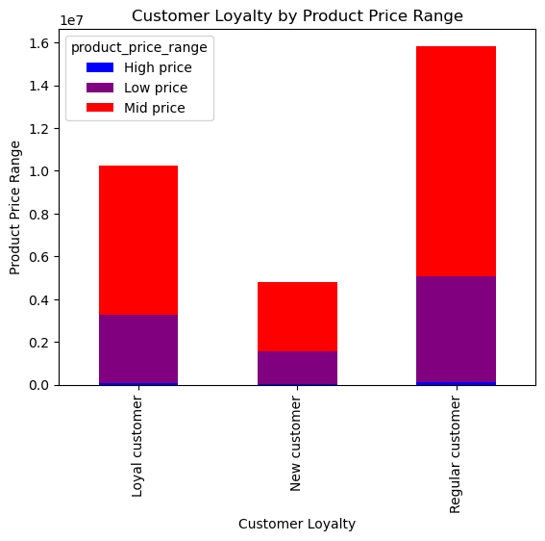

7. Are there differences in ordering habits based on a customer’s region?
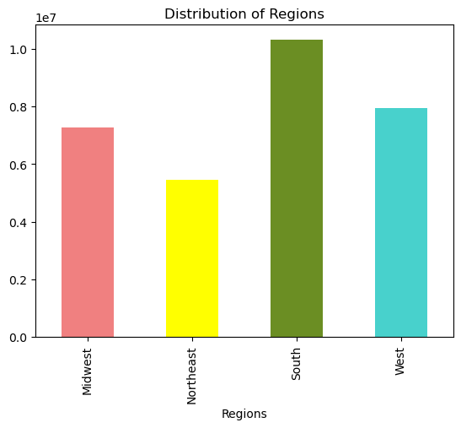
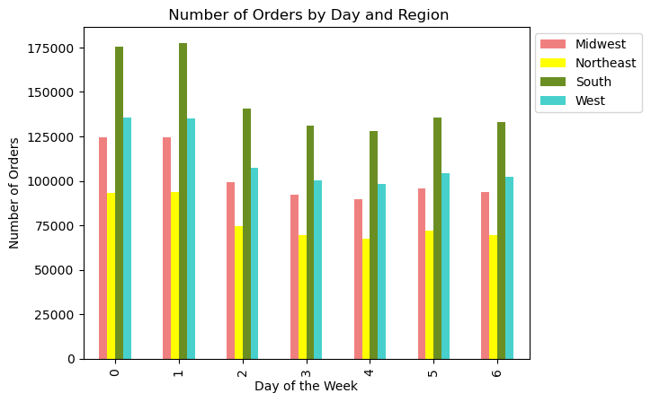
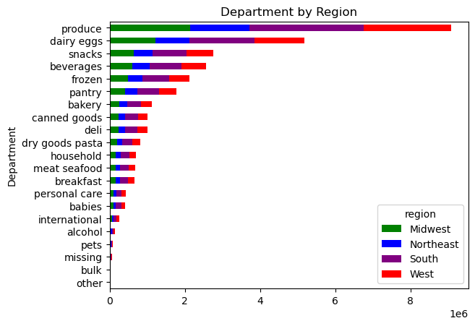

8. Is there a connection between age and family status in terms of ordering habits?
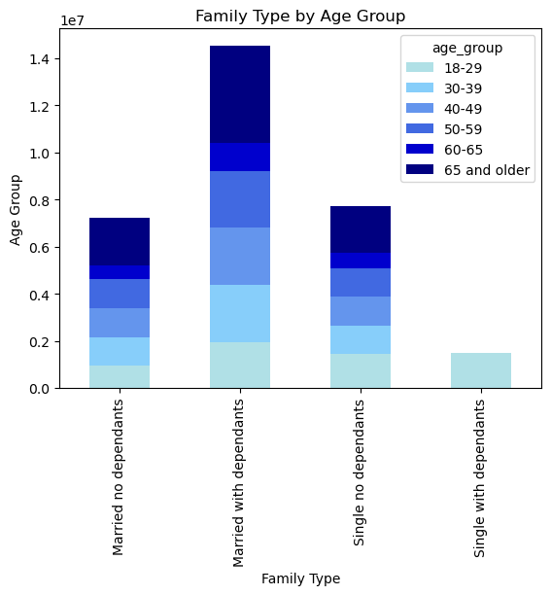
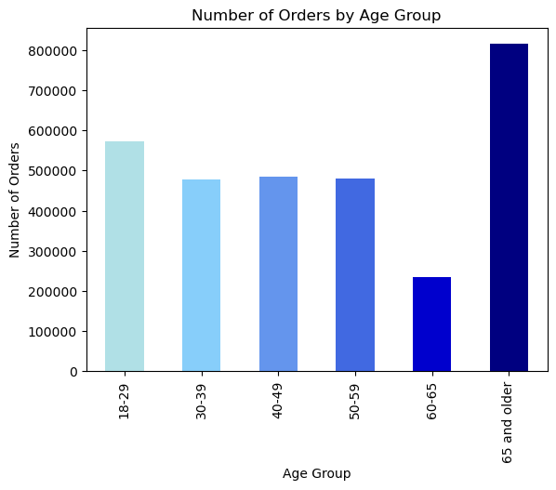
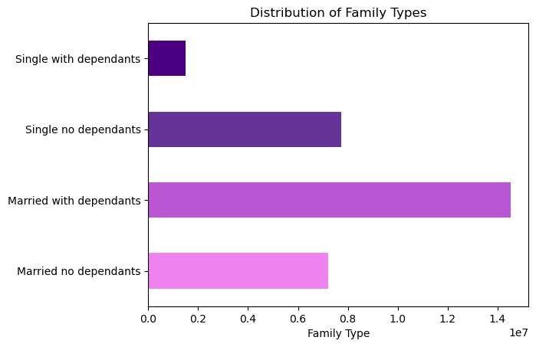

9. What different classifications does the demographic information suggest? Age? Income? Certain types of goods? Family status? 10. What differences can you find in ordering habits of different customer profiles? Consider the price of orders, the frequency of orders, the products customers are ordering, and anything else you can think of.

Age:

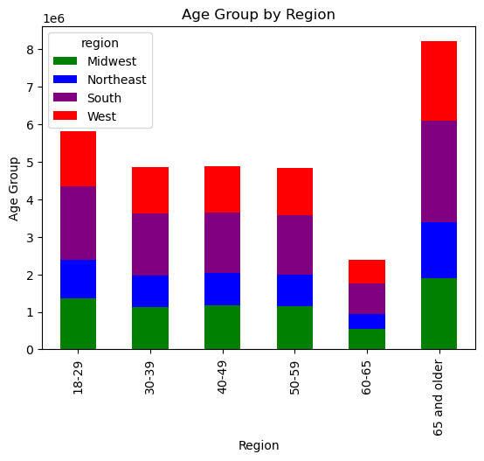

Age x Income:

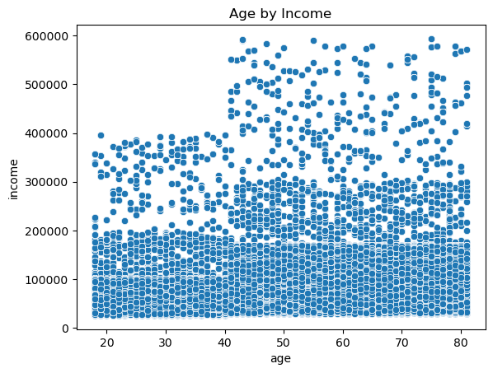
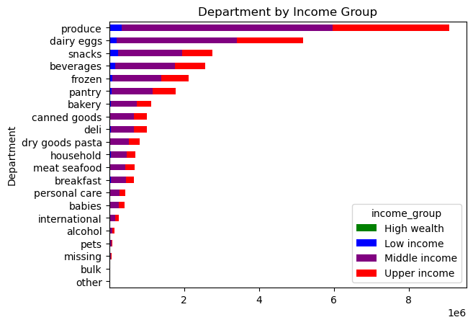
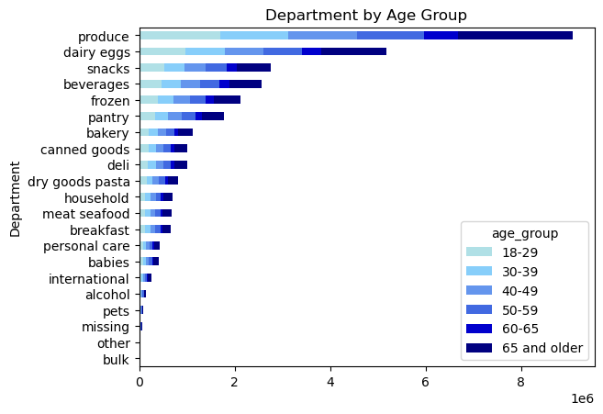

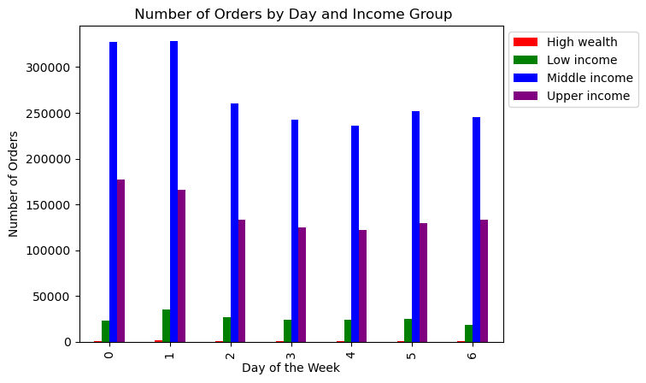
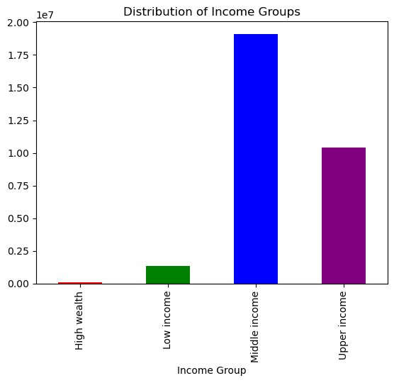
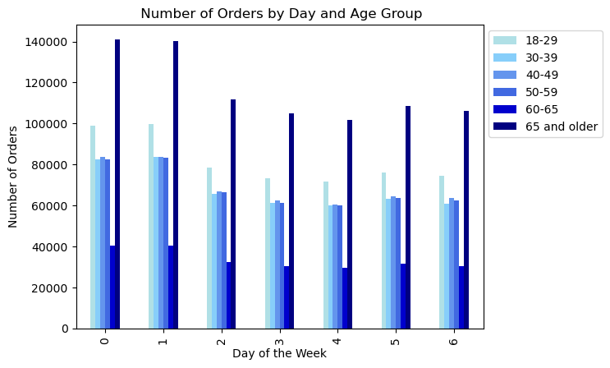

Family structure:

7. Recommendations
 |  |  |  | Title page

Recommendations

1. The sales team needs to know what the busiest days of the week and hours of the day are in order to schedule ads at times when there are fewer orders. 2. They want to know whether there are particular times of the day when people spend the most money, as this might inform the type of products they advertise at these times.

Saturday and Sunday are busiest days with Saturdays and Friday being where the biggest spending is happening. For hours, 9 am to 5 pm is when we see the largest ordering and 4 am has the highest spend. We will want to focus our advertising right after the 4 am spending happens as we see a slump there and will help to set up for the 9 am to 5 pm ordering. Thursday and Friday nights will also be a good focus for advertising time as it'll potentially help boost the spending we see Friday and Saturday mornings.
We will further look into what products are bring bought doing our busy windows so we can better know which to do a more targetted focus. In the meantime, we should focus on the produce, dairy, eggs, and the bakery sections. This departments have the highest orders and usually consumption in the morning or throughout the day.
Days of the week |  | Hours of the day
Most orders | Most expenditure | Most orders | Most expenditure
Saturday | Saturday | 12am | 12am
Sunday | Sunday | 1 | 1
Monday | Monday | 2 | 2
Tuesday | Tuesday | 3 | 3
Wednesday | Wednesday | 4 | 4
Thursday | Thursday | 5 | 5
Friday | Friday | 6 | 6
 |  | 7 | 7
 |  | 8 | 8
 |  | 9 | 9
 |  | 10 | 10
 |  | 11 | 11
 |  | 12pm | 12pm
 |  | 1 | 1
 |  | 2 | 2
 |  | 3 | 3
 |  | 4 | 4
 |  | 5 | 5
 |  | 6 | 6
 |  | 7 | 7
 |  | 8 | 8
 |  | 9 | 9
 |  | 10 | 10
 |  | 11 | 11

3. Instacart has a lot of products with different price tags. Marketing and sales want to use simpler price range groupings to help direct their efforts.

The majority of the products we sell fall within the $1-$15 price range. We also average at about $7.75 for our prices. The mid-range products see the highest number of orders, so our focus for the sales and marketing teams would be to focus on those kinds of products.
Low-range: < $5
Mid-range: $5-20
High-range: $20+

4. Are there certain types of products that are more popular than others? The marketing and sales teams want to know which departments have the highest frequency of product orders.

Produce and dairy are the two leading category of products we sell. They both are very perishable product and have frequent sales. Produce should focus on having a wide variety of good available to get the most out of their sale. The dairy department can also be looked at with the breakfast department to help maximize sales.

5. What’s the distribution among users in regards to their brand loyalty (i.e., how often do they return to Instacart)?

Loyalty distribution:
New customers: 16%
Regular customers: 49%
Loyal customers: 35%
Regular customers make up a majority of our users. New customers make up the majority of our less frequent customers. We should make two different targetting campaings. One to focus on our new customers and make it known that the coupon was for using our app the first time. This will incentivies them to come back and move from the less frequent to regular customers. The other campaign should be a more targetted ads to our regular customers and focus on their frequent purchases. This will hopefully push them from our regular customers to our loyal one.

6. Are there differences in ordering habits based on a customer’s loyalty status?

Across the board there is not a large spending habit based on loyalty status. For each type of customer loyalty there is a near equal percentage between low, mid, and high range products. The high range products are less than 10% across the board between the 3 customer statuses with regular and loyal customers being at the high end of that 10%.
The recommendation I would have would be to put part of the focus on the meat and seafood department. This department has the highest high range products and since regular and loyal customers spend the most within that price range, we may be able to boost some sales in that area.
For new customers, I would focus on the produce, dairy, and eggs departments as the highest price range for new customers is within the mid-range section.

7. Are there differences in ordering habits based on a customer’s region?

Number of orders from highest to lowest by region is: South, West, Midwest, Northeast.
We will need to look into further data for regional spending habits. When we compare the overall, daily, and by department; there is no discernible difference between all the data. Each region has very similar spending habits. We will need to do a deeper dive within the data to see if there is a difference on the items being purchased within each department and region to better be able to make a more targeted ad campaigns.

8. Is there a connection between age and family status in terms of ordering habits?

For the most part, there is an even spread of orders across ages but a majority of purchase are from married couples. I think the main focus would be to target the ads towards married couples as they make up over 50% of the family types that are using our apps. Second, when it comes to ages, the primary focus should be towards those that are 65 and older as they have the highest order rate out of the age groups.

9. What different classifications does the demographic information suggest? Age? Income? Certain types of goods? Family status? 10. What differences can you find in ordering habits of different customer profiles? Consider the price of orders, the frequency of orders, the products customers are ordering, and anything else you can think of.
Overall there is no large differences to make note of between all the cusomer profiles. When looking at the days of the week and the orders by departments there is similar breakdowns on each of these charts.
The overall profile is: Middle income southern married couples who are over 65 years old and mainly order produce.
Further breakdowns will be needed within the departments to see if there are specific items within each department that we can then use to make more targeted ad campains.

